Debt Service
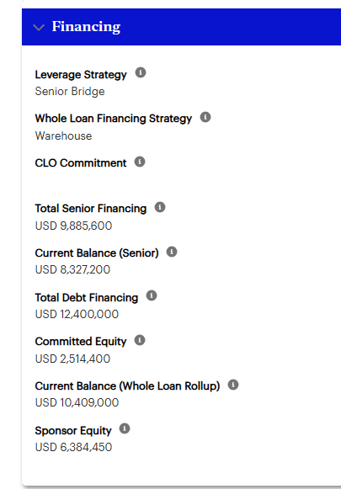
Debt Service Calc

UPB | $ 10,409,000
NCF | $ 737,826
Whole Loan Spread | 2.55%
Rate Cap | 5.00%
SOFR | 3.68%
Interest Rate | 6.23%

Debt Service | $ 657,487
Capped Debt Service | $ 657,487

DY Event | 6.50%
DSCR Event | 1.00x

Capped DSCR | 1.12x
DSCR w/o Rate Cap | 1.12x

Rate Cap Renewal Calculation
Current Capped DSCR | 1.12x
Target Capped DSCR | 1.05x

Rate Cap
Spread | 2.55%
Effective Capped Interest Rate | 2.55%

UPB
Debt Service Capped | $0
Current Net Cash Flow

Resulting Capped DSCR | #DIV/0!

RE Taxes
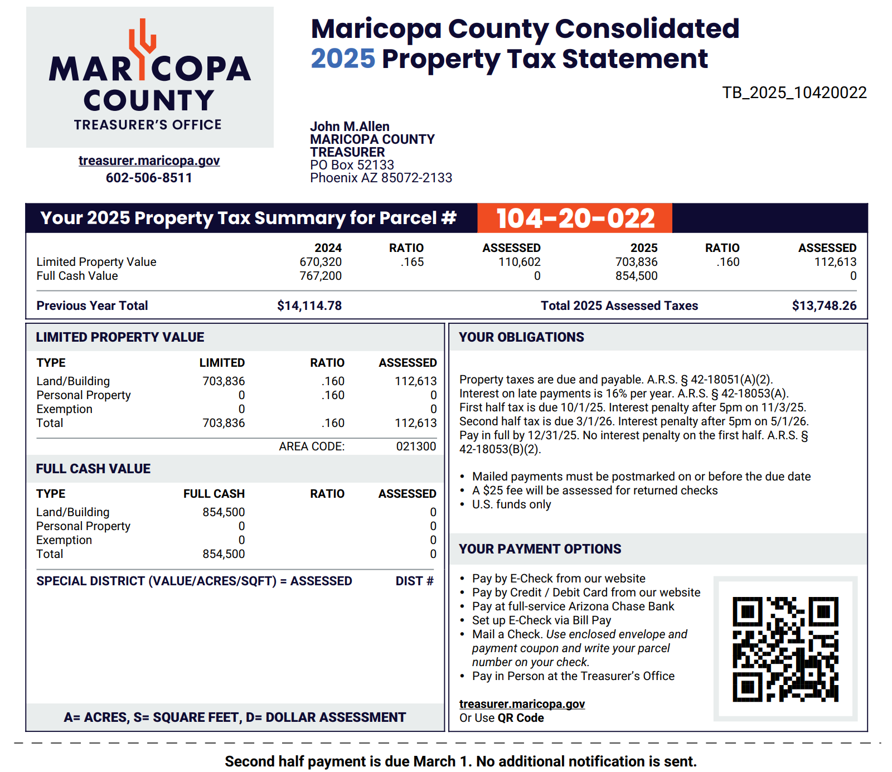
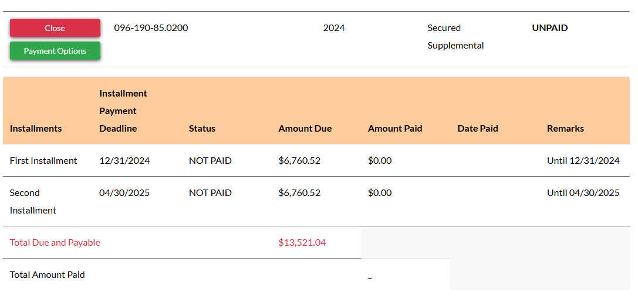
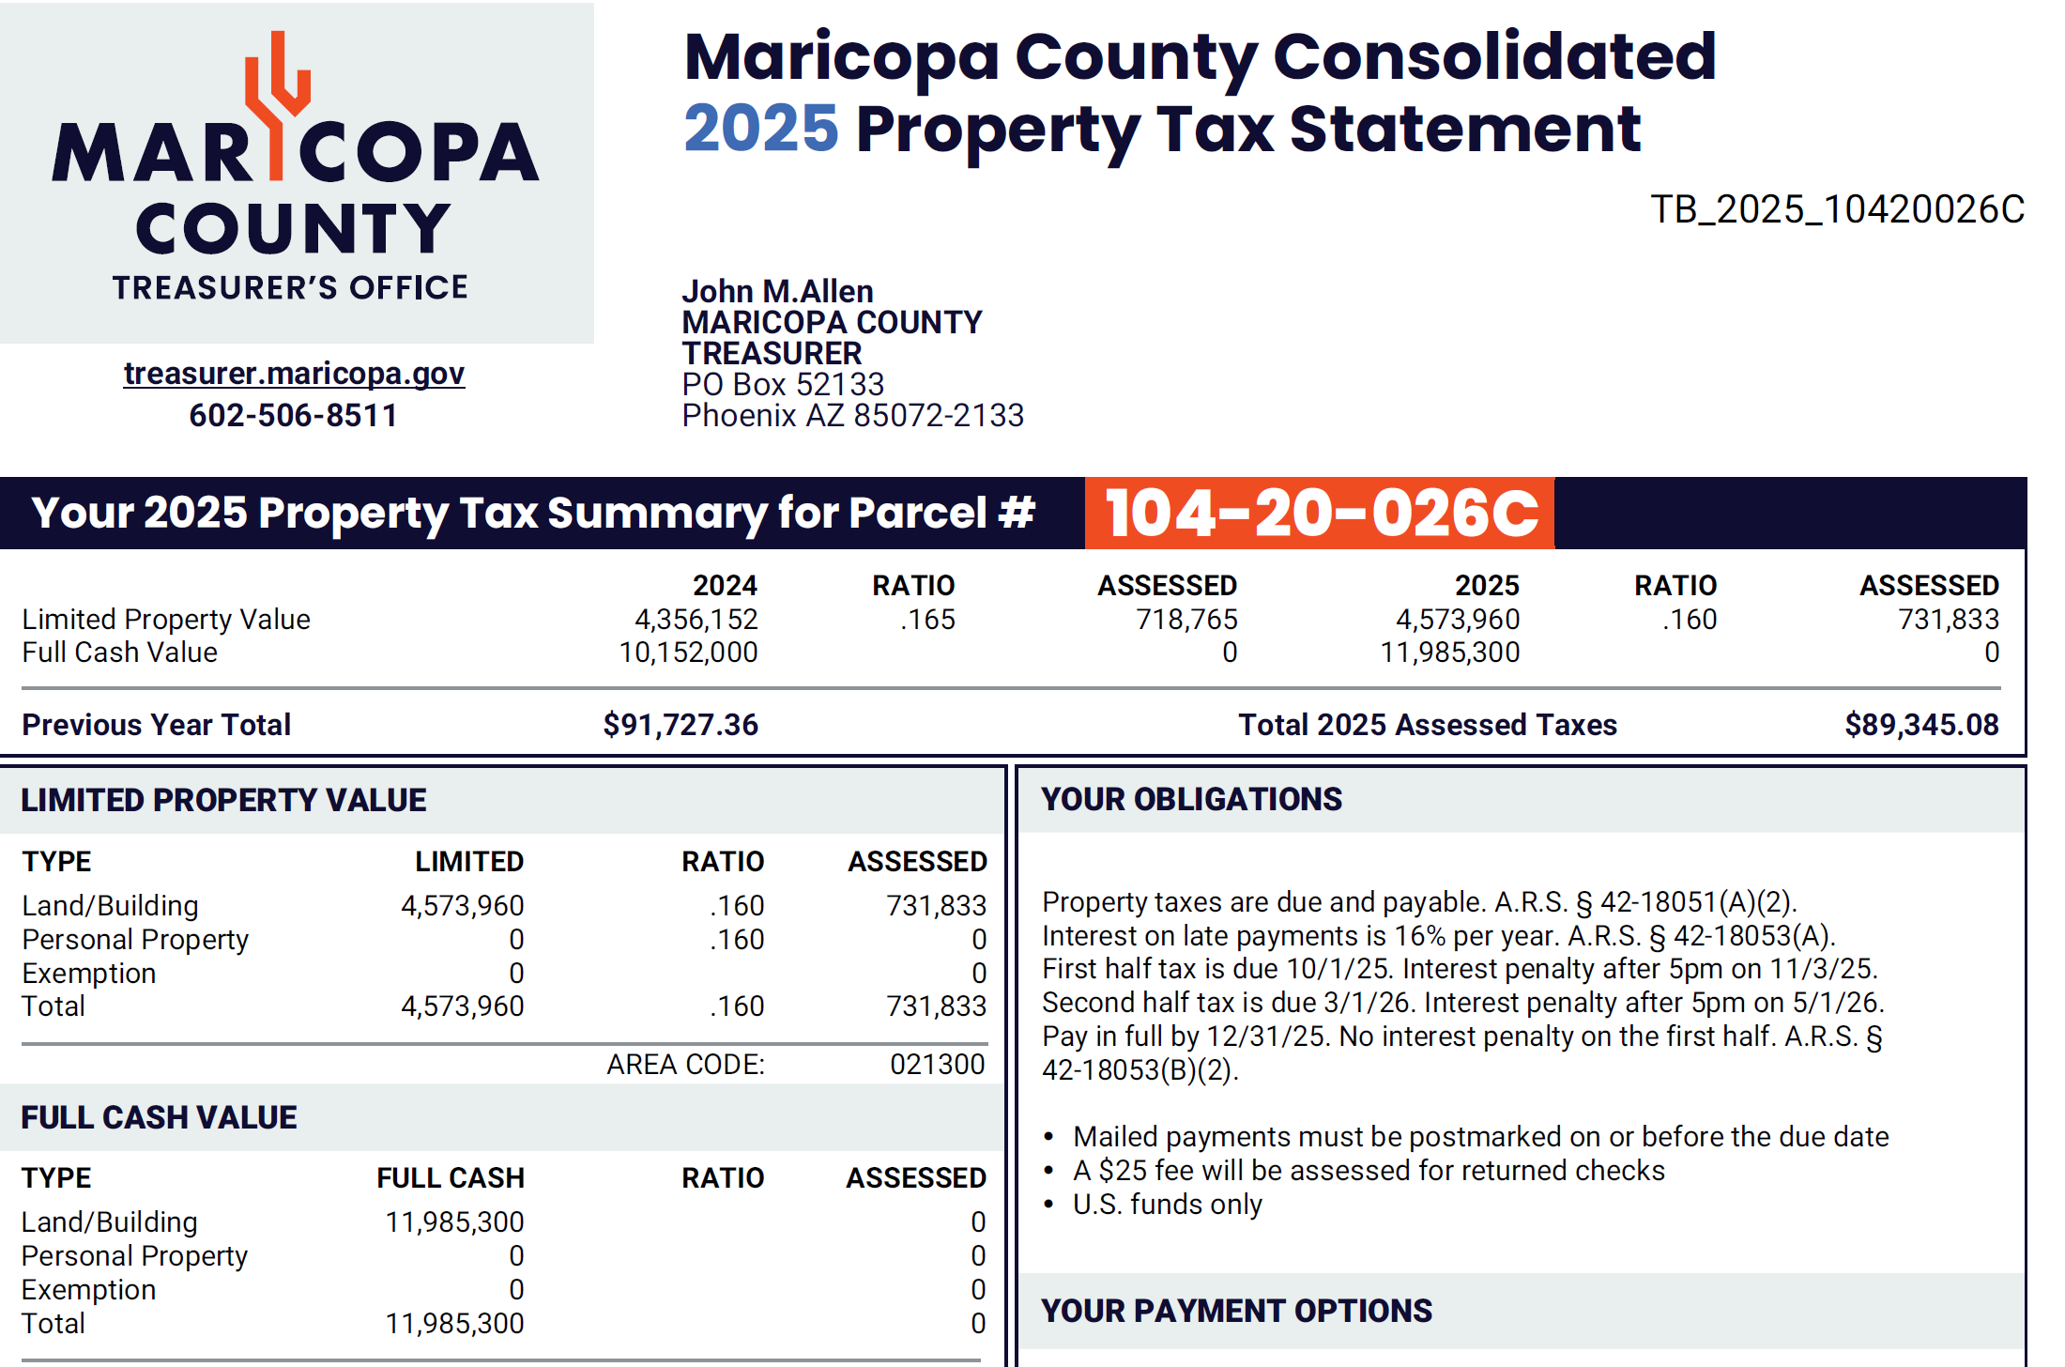
Tax Bill From | 2025-03-01 | 2026-03-01
Tax Amount | 0.10 |  | Parcel ID: | 104-20-022
Factor | 1,000,000 |  | Link: | https://www.mcassessor.maricopa.gov/
 |  |  | Amt: | 103,093.34

Insurance
Insurance Policy From | 2026-04-01 | 2027-04-01
Insurance Amount | 0.01
Factor | 1,000,000

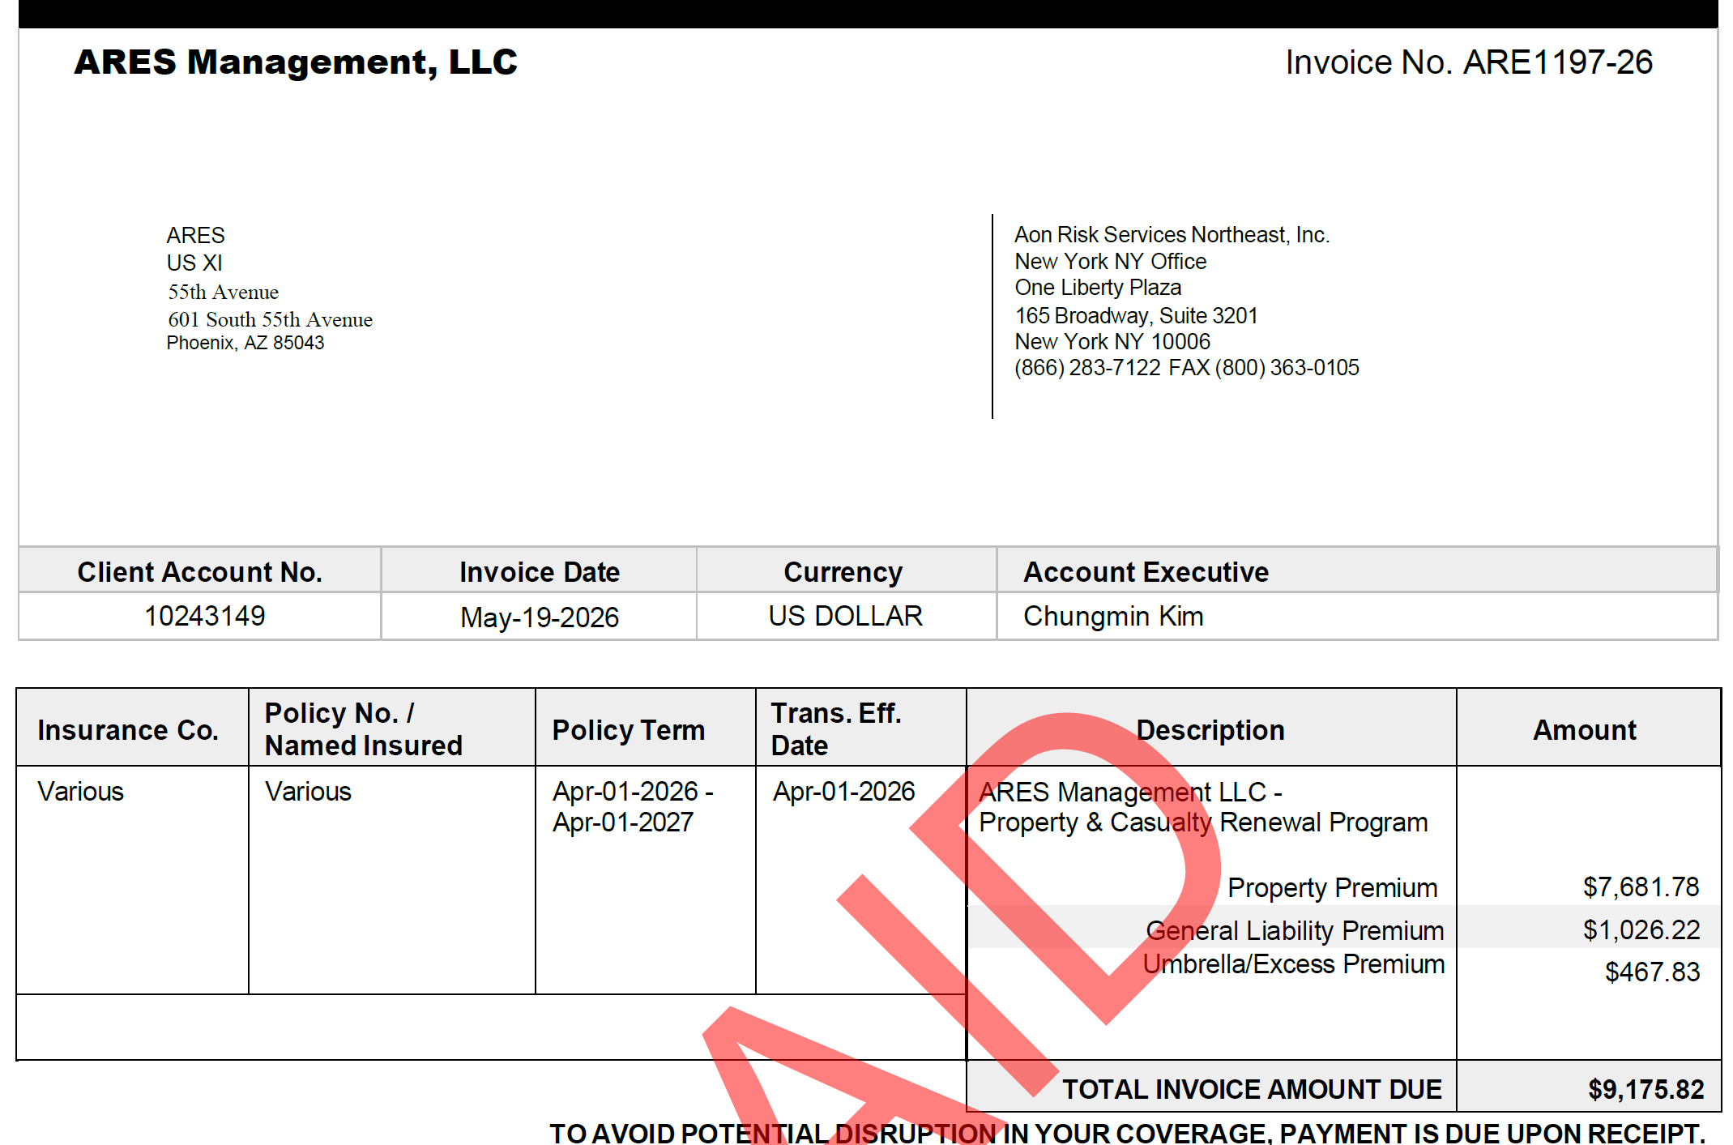

 |  |  | 9,176

